Ark1
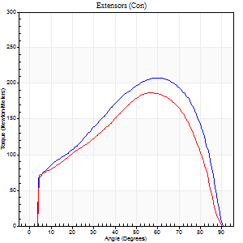
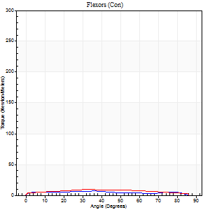
Use File, Preference to set Report Heading
Long Form Torque vs. Position Report - Knee Extension/Flexion
Name: |  |  |  | Deltager_10, | ID: | Deltager | Right/Left: | 02.10.2025 02.10.2025

Right Side Curves Left Side Curves
Isokinetic Con/Con |  |  |  | Extensors (Con) |  | Flexors (Con)
Speed 60/60 d/s 3 Reps |  |  |  | Value | Cof Var | %BW | Value | Cof Var | %BW | Ratio

TORQUE PARAMETERS
Peak Torque (Newton-Meters - Best Repetition)
Right |  |  |  | 207 | 0.02 | 325 | 7 | 0.44 | 12 | 3
Left |  |  |  | 187 | 0.07 | 292 | 9 | 0.47 | 15 | 5
Deficit |  |  |  | 10 |  |  | 29
Work per Repetition (Newton-Meters - Best Repetition)
Right |  |  |  | 221 | 0.04 | 346 | 7 | 0.62 | 12 | 3
Left |  |  |  | 193 | 0.06 | 301 | 9 | 0.73 | 15 | 5
Deficit |  |  |  | 13 |  |  | 29
Average Power per Repetition (Watts - Best Repetition)
Right |  |  |  | 138 | 0.04 | 215 | 5 | 0.68 | 9 | 4
Left |  |  |  | 118 | 0.04 | 185 | 6 | 0.81 | 9 | 5
Deficit |  |  |  | 14 |  |  | 17
POSITION PARAMETERS
Joint Angle at Peak Torque (Degrees)
Right |  |  |  | 60 | 0 |  | 16 | 1.07
Left |  |  |  | 59 | 0.07 |  | 22 | 0.52
Range of Motion (Degrees)
Right |  |  |  | 0 | -0.47 |  | 90 | 0
Left |  |  |  | 0 | -0.71 |  | 90 | 0
TIME PARAMETERS
Time to Peak Torque (Seconds)
Right |  |  |  | 0.54 | 0.03 |  | 0.39 | 0.71
Left |  |  |  | 0.61 | 0.04 |  | 0.52 | 0.37
Time Peak Torque Held (Seconds)
Right |  |  |  | 0.05 | 0.2 |  | 0.36 | 1.55
Left |  |  |  | 0.05 | 0.25 |  | 0.11 | 0.98
Force Decay Time (Seconds)
Right |  |  |  | 1 | 0.01 |  | 0.95 | 0.4
Left |  |  |  | 0.99 | 0.05 |  | 1.07 | 0.38
Reciprocal Delay (Seconds)
Right |  |  |  | 0.23 | 0.25 |  | 0.44 | 0.11
Left |  |  |  | 0.14 | 0.44 |  | 0.61 | 0.11
Delay Time (Seconds)
Right |  |  |  | -0.02 | -0.28 |  | -0.04 | -0.16
Left |  |  |  | -0.04 | -0.71 |  | -0.05 | -0.47
HUMAC2015® Version: 15.000.0074 © Computer Sports Medicine, Inc. www.csmisolutions.com

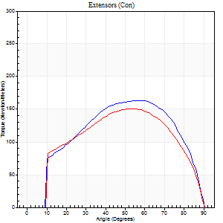
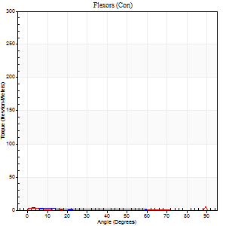
Use File, Preference to set Report Heading
Long Form Torque vs. Position Report - Knee Extension/Flexion
Name: |  |  |  | Deltager_10, | ID: | Deltager | Right/Left: | 02.10.2025 02.10.2025

Right Side Curves Left Side Curves
Isokinetic Con/Con |  |  |  | Extensors (Con) |  | Flexors (Con)
Speed 120/120 d/s 3 Reps |  |  |  | Value | Cof Var | %BW | Value | Cof Var | %BW | Ratio

TORQUE PARAMETERS
Peak Torque (Newton-Meters - Best Repetition)
Right |  |  |  | 163 | 0.02 | 253 | 4 | 0.17 | 6 | 2
Left |  |  |  | 151 | 0.03 | 235 | 5 | 0.07 | 9 | 4
Deficit |  |  |  | 8 |  |  | 25
Work per Repetition (Newton-Meters - Best Repetition)
Right |  |  |  | 175 | 0.01 | 271 | 3 | 0.23 | 3 | 2
Left |  |  |  | 161 | 0.08 | 250 | 1 | 0.12 | 3 | 1
Deficit |  |  |  | 8 |  |  | 50
Average Power per Repetition (Watts - Best Repetition)
Right |  |  |  | 196 | 0.01 | 305 | 2 | 0.52 | 2 | 1
Left |  |  |  | 183 | 0.09 | 286 | 2 | 0.31 | 2 | 1
Deficit |  |  |  | 7 |  |  | 0
POSITION PARAMETERS
Joint Angle at Peak Torque (Degrees)
Right |  |  |  | 57 | 0.05 |  | 33 | 1.49
Left |  |  |  | 54 | 0.08 |  | 62 | 0.79
Range of Motion (Degrees)
Right |  |  |  | 0 | -0.47 |  | 90 | 0
Left |  |  |  | 0 | 0 |  | 90 | 0
TIME PARAMETERS
Time to Peak Torque (Seconds)
Right |  |  |  | 0.32 | 0.09 |  | 0.9 | 1.14
Left |  |  |  | 0.36 | 0 |  | 1.13 | 0.71
Time Peak Torque Held (Seconds)
Right |  |  |  | 0.03 | 0.17 |  | 0.23 | 1.62
Left |  |  |  | 0.02 | 0 |  | 0.03 | 1.48
Force Decay Time (Seconds)
Right |  |  |  | 0.52 | 0.05 |  | 0.52 | 1.04
Left |  |  |  | 0.51 | 0.08 |  | 0.21 | 2.61
Reciprocal Delay (Seconds)
Right |  |  |  | 0.19 | 0.04 |  | 0.87 | 0.09
Left |  |  |  | 0.2 | 0.07 |  | 0.54 | 0.18
Delay Time (Seconds)
Right |  |  |  | -0.02 | -0.28 |  | -0.11 | -0.16
Left |  |  |  | -0.01 | -0.47 |  | -0.07 | -0.25
HUMAC2015® Version: 15.000.0074 © Computer Sports Medicine, Inc. www.csmisolutions.com

Use File, Preference to set Report Heading
Long Form Torque vs. Position Report - Knee Extension/Flexion
Name: |  |  |  | Deltager_10, | ID: | Deltager | Right/Left: | 02.10.2025 02.10.2025
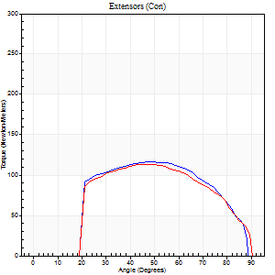
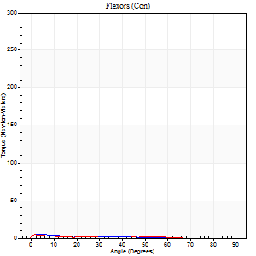
Right Side Curves Left Side Curves
Isokinetic Con/Con |  |  |  | Extensors (Con) |  | Flexors (Con)
Speed 240/240 d/s 3 Reps |  |  |  | Value | Cof Var | %BW | Value | Cof Var | %BW | Ratio

TORQUE PARAMETERS
Peak Torque (Newton-Meters - Best Repetition)
Right |  |  |  | 117 | 0.01 | 182 | 5 | 0.25 | 9 | 5
Left |  |  |  | 114 | 0.03 | 179 | 4 | 0.12 | 6 | 4
Deficit |  |  |  | 2 |  |  | 25
Work per Repetition (Newton-Meters - Best Repetition)
Right |  |  |  | 115 | 0.01 | 179 | 3 | 0.24 | 3 | 2
Left |  |  |  | 113 | 0.03 | 176 | 3 | 0.37 | 3 | 2
Deficit |  |  |  | 2 |  |  | 0
Average Power per Repetition (Watts - Best Repetition)
Right |  |  |  | 201 | 0.1 | 314 | 2 | 0.44 | 2 | 1
Left |  |  |  | 201 | 0.04 | 314 | 2 | 0.62 | 2 | 1
Deficit |  |  |  | 0 |  |  | 0
POSITION PARAMETERS
Joint Angle at Peak Torque (Degrees)
Right |  |  |  | 51 | 0.03 |  | 2 | 0.07
Left |  |  |  | 50 | 0.05 |  | 3 | 0.56
Range of Motion (Degrees)
Right |  |  |  | 0 | 0 |  | 90 | 0
Left |  |  |  | 0 | 0 |  | 90 | 0
TIME PARAMETERS
Time to Peak Torque (Seconds)
Right |  |  |  | 0.31 | 0.3 |  | 0.2 | 0.15
Left |  |  |  | 0.23 | 0.06 |  | 0.22 | 0.4
Time Peak Torque Held (Seconds)
Right |  |  |  | 0.02 | 0.25 |  | 0.02 | 1.73
Left |  |  |  | 0.02 | 0.35 |  | 0.04 | 1.29
Force Decay Time (Seconds)
Right |  |  |  | 0.3 | 0.03 |  | 1.06 | 0.29
Left |  |  |  | 0.3 | 0.05 |  | 1.17 | 0.19
Reciprocal Delay (Seconds)
Right |  |  |  | 0.18 | 0.31 |  | 0.87 | 0.2
Left |  |  |  | 0.22 | 0.23 |  | 0.8 | 0.04
Delay Time (Seconds)
Right |  |  |  | -0.06 | -0.54 |  | -0.1 | -0.26
Left |  |  |  | -0.02 | 0 |  | -0.09 | -0.27
HUMAC2015® Version: 15.000.0074 © Computer Sports Medicine, Inc. www.csmisolutions.com

Use File, Preference to set Report Heading
Isometric - Knee Extension/Flexion
Name: |  |  |  | Deltager_10, | ID: | Deltager | Right/Left: | 02.10.2025 02.10.2025

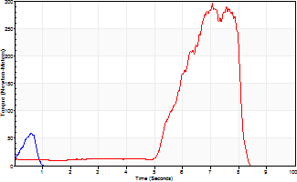
Isometric Extensors (Con) Angle 60 Time 10 Repetition 2 (Best Repetition)
 | Value | Cof Var | %BW
Peak Torque (Newton-Meters)
Right | 60 | 0.44 | 92
Left | 296 | 0.89 | 462
Deficit | 80
Average Torque (Newton-Meters)
Right | 3 | 0.77 | 3
Left | 66 | 1.13 | 104
Deficit | 96
Peak Torque Slope (Newton-Meters/Seconds)
Right | 112 | 0.09 | 175
Left | 42 | 0.3 | 65 |  | Right Side Curves Left Side Curves
Deficit | 63
Time to Half Peak Torque (Seconds)
Right | 0.16 | 0.59
Left | 3.97 | 0.69
Time to Peak Torque (Seconds)
Right | 0.43 | 0.53
Left | 4.76 | 0.69
HUMAC2015® Version: 15.000.0074 © Computer Sports Medicine, Inc. www.csmisolutions.com

